Sheet1
INVERTER
VFD004EL21W-1 | 4,604
VFD007B21A | 8,913
VFD007C43A-21 | 12,460
VFD007CB21A-20 | 8,115
VFD007CB43A-20 | 8,718
VFD007EL21W-1 | 4,522
VFD007EL43W-1 | 6,547
VFD015EL21W-1 | 5,289
VFD015B43A | 12,343
VFD015C43A-21 | 12,927
VFD015CB21A-20 | 8,895
VFD015CB43A-20 | 9,266
VFD015CP43B-21 | 12,683
VFD015EL43W-1 | 7,275
VFD022C43A-21 | 13,880
VFD022CB21A-20 | 10,956
VFD022CB43A-20 | 10,585
VFD022CP43B-21 | 13,741
VFD022EL21W-1 | 6,960
VFD022EL43W-1 | 8,809
VFD037B43A | 18,854
VFD037C43A-21 | 17,614
VFD037CB43A-20 | 14,129
VFD037CB43A-21 | 14,751
VFD037CP43B-21 | 17,332
VFD037CH43A-21 | 0
VFD037M43A | 15,271
VFD040C43A-21 | 21,080
VFD040EL43W-1 | 10,031
VFD055B43A | 26,042
VFD055C43A-21 | 22,135
VFD055CB43A-20 | 19,969
VFD055CB43A-21 | 20,572
VFD055CP43B-21 | 20,911
VFD055M43A | 21,844
VFD075B23A | 38,453
VFD075B43A | 30,519
VFD075C43A-21 | 24,358
VFD075CB43A-20 | 23,251
VFD075CB43A-21 | 23,251
VFD075CH43A-21 | 25,265
VFD075CP43B-21 | 23,251
VFD075ED43S | 20,150
VFD075M43A | 26,270
VFD1100C43A-00 | 200,762
VFD110B43A | 44,759
VFD110C43A-21 | 29,638
VFD110CP43B-21 | 27,842
VFD110ED43S | 28,150
VFD11AMS21ANSAA | 10,593
VFD1320C43A-00 | 240,493
VFD13AMS43ANSAA | 19,712
VFD150C43A-21 | 36,054
VFD150CP43B-21 | 34,419
VFD150ED43S | 37,300
VFD1600C43A-00 | 268,895
VFD17AMH43ANSLA | 22,200
VFD17AMS43ANSAA | 23,712
VFD185C43A-21 | 43,282
VFD185CP43B-21 | 43,798
VFD220B43A | 71,835
VFD220C43A-21 | 49,563
VFD220CP43A-21 | 49,391
VFD25AMH43ANSLA | 25,300
VFD25AMS43ANSAA | 28,025
VFD2A7MS43ANSAA | 8,747
VFD2A8MS21ANSAA | 6,633
VFD2200C43A-00 | 454,332
VFD300B43A | 104,472
VFD300C43A-21 | 63,331
VFD3150C43A-00 | 620,514
VFD32AMS43ANSAA | 35,312
VFD370B43A | 120,912
VFD370C43S-00 | 73,072
VFD370CP43A-21 | 73,536
VFD38AMS43ANSAA | 42,161
VFD450B43A | 146,281
VFD450C43S-00 | 85,704
VFD45AMS43ANSAA | 52,772
VFD4A2MS43ANSAA | 9,670
VFD4A8MS21ANSAA | 7,113
VFD550C43A-00 | 100,848
VFD5A5MS43ANSAA | 10,844
VFD750C43A-00 | 139,569
VFD7A5MS21ANSAA | 8,582
VFD900C43A-00 | 181,164
VFD9A0MS43ANSAA | 13,820
VFDB4030 | 8,969
VFDB4045 | 9,151
VFDB4132 | 29,479
VFD-CMD04 | 1,383
VFD-CMD08 | 1,764
VFD-PU01 | 1,960
CMC-EIP01 | 3,681
CMC-MOD01 | 3,155
CMC-PD01 | 8,623
CME-DN01 | 3,260
CME-PD01 | 7,782
CMM-COP01 | 2,839
CMM-EIP01 | 3,260
CMM-MOD01 | 2,314
CMM-PD01 | 8,161
CMM-EC01(new) | 4,234
EG1010A | 541
EG2010A | 736
EG3010A | 779
EG5010A | 1,082
EMC-BPS01 | 3,954
EMC-COP01 | 1,977
EMC-D42A | 1,073
EMC-D611A | 1,073
EMC-PG01L | 4,690
EMC-PG01O | 3,831
EMC-PG01R | 4,922
EMC-PG01U | 4,732
EMC-R6AA | 1,683
EME-A22A | 1,577
EMED-PGABD-1 | 2,272
EMED-PGHSD-1 | 3,828
EME-PG01 | 1,304
EME-R3AA | 1,010
EMM-BPS01 | 3,470
KPC-CC01 | 2,631
KPC-CE01 | 2,945
KPMS-LE01 | 841
KPE-LE02 | 610
KPV-CE01 | 3,491
KPVL-CC01 | 3,281
LC-M02E | 830
PG-02 | 2,251
RPA-01 | 400
RY-00 | 2,818
servo
ASD-A2-0121-M | 11,590
ASD-A2-0421-E | 15,470
ASD-A2-0421-M | 12,390
ASD-A2-0721-E | 16,001
ASD-A2-0721-F | 11,364
ASD-A2-0721-M | 12,250
ASD-A2-1021-E | 17,672
ASD-A2-1021-M | 14,612
ASD-A2-1521-E | 21,459
ASD-A2-1521-F | 15,848
ASD-A2-1521-M | 18,546
ASD-A2-2043-E | 29,114
ASD-A2-2043-F | 23,952
ASD-A2-2043-M | 27,502
ASD-A2-3023-M | 27,472
ASD-A2-3043-E | 35,721
ASD-A2-3043-M | 33,318
ASD-A2-4543-E | 36,341
ASD-A2-4543-M | 34,156
ASD-A2-5543-E | 38,406
ASD-A2-5543-M | 44,424
ASD-A2-7543-M | 79,418
ASD-A2R-1B43-M | 89,033
ASD-A2R-1F43-M | 97,354
ASD-B2-0121-B | 9,558
ASD-B2-0421-B | 9,475
ASD-B2-0721-B | 10,294
ASD-B2-1021-B | 11,251
ASD-B2-1521-B | 15,361
ASD-B2-2023-B | 19,481
ASD-B3-0121-L | 10,221
ASD-B3-0221-L | 10,221
ASD-B3-0421-L | 9,475
ASD-B3-0421-M | 9,475
ASD-B3-0421-E | 13,467
ASD-B3-0721-L | 10,294
ASD-B3-0721-M | 10,294
ASD-B3-0721-E | 14,108
ASD-B3-1021-L | 11,250
ASD-B3-1021-M | 11,250
ASD-B3-1021-E | 14,909
ASD-B3-1521-L | 15,361
ASD-B3-1521-M | 15,361
ASD-CNUS0A08 | 1,099
ASD-IF-SC5020 | 1,138
ASD-M-0721-F | 30,776
ASD-M-0721-M | 30,380
ASD-M-1521-F | 40,780
ASD-M-1521-M | 39,284
ASD-MDBT0100 | 930
ECMA-C20401RS | 6,779
ECMA-C20604RS | 6,726
ECMA-C20604SS | 13,450
ECMA-C10807RS | 8,966
ECMA-C20807RS | 7,009
ECMA-C20807SS | 13,470
ECMA-C21010R9 | 12,956
ECMA-C21010S9 | 18,596
ECMA-E11310RS | 12,913
ECMA-E21310R9 | 12,379
ECMA-E21310RS | 12,379
ECMA-E21310S9 | 20,662
ECMA-E21315R4 | 15,895
ECMA-E21315S4 | 22,013
ECMA-G21306RS | 13,547
ECMA-G21309RS | 16,426
ECMA-G21309S9 | 23,245
ECMA-K11320R4 | 19,593
ECMA-K11320RS | 19,593
ECMA-K11320S4 | 30,479
ECMA-K11320SS | 30,479
ECMA-L11830RS | 37,445
ECMA-L11830SS | 49,201
ECMA-L11845RS | 48,439
ECMA-L11845SS | 60,740
ECMA-L11855R3 | 58,889
ECMA-L11855S3 | 72,931
ECMA-L11875R3 | 75,326
ECMA-L11875S3 | 87,735
ECMA-L1221BR3 | 146,516
ECMA-L1221FRS | 162,408
ECM-B3M-C20602RS1 | 6,992
ECM-B3M-C20602SS1 | 13,571
ECM-B3M-C20604RS1 | 6,725
ECM-B3M-C20604SS1 | 13,449
ECM-B3M-C20807RS1 | 7,009
ECM-B3M-C20807SS1 | 13,469
ECM-B3M-E21310RS1 | 12,379
ECM-B3M-E21310SS1 | 20,662
ECM-B3M-E21315RS1 | 15,895
ECM-B3M-E21315SS1 | 22,013
ECM-A3L-CY0807RS1 | 10,117
ECM-A3L-CY0807SS1 | 12,868
ECM-A3L-CY0604RS1 | 8,874
ECM-A3L-CY0604SS1 | 13,134
ACS3-CAEN1005-ORGINAL | 1,590
ACS3-CAEN1005-GM | 555
ACS3-CAEN2705-ORGINAL | 3,864
ACS3-CAEN2705-GM | 1,126
ACS3-CNPW5200-ORGINAL | 1,205
ACS3-CNPW5200 | 786
ACS3-CNPW6300 | 787
ASD-A3-0421-M | 12,478
ASD-A3-0721-M | 12,811
ASDBCAEN0005-GM | 489
ASDBCAEN1005-GM | 994
ASDBCAPW0000 | 47
ASD-CAEN0005-GM | 641
ASD-CAEN1005-GM | 1,166
ASD-CAPW1000 | 694
ASD-CAPW2000 | 1,063
ASD-CAPW4000 | 1,757
ASD-CARS0003 | 231
ASD-CNSC0050 | 245
ACS-CAEA1005-GM | 1,249
ASDBCAPW0100 | 65
plc
AS00SCM-A | 5,167
AS02LC-A | 10,842
AS04AD-A | 6,011
AS04DA-A | 7,976
AS04RTD-A | 6,935
AS04TC-A | 6,935
AS06XA-A | 6,935
AS16AM10N-A | 4,045
AS08AM10N-A | 1,965
AS08AN01P-A | 2,820
AS08AN01R-A | 2,820
AS08AN01T-A | 2,820
AS16AN01P-A | 4,231
AS16AN01R-A | 4,231
AS16AN01T-A | 4,231
AS16AP11P-A | 4,046
AS16AP11R-A | 4,046
AS16AP11T-A | 4,046
AS218RX-A | 14,800
AS218TX-A | 14,800
AS228P-A | 14,800
AS228R-A | 14,800
AS228T-A | 14,800
AS324MT-A | 16,414
AS32AM10N-A | 6,011
AS32AN02T-A | 6,311
AS332P-A | 16,552
AS332T-A | 16,552
AS64AM10N-A | 6,057
AS64AN02T-A | 9,363
AS-F232 | 1,248
AS-F2AD | 2,381
AS-F2DA | 2,820
AS-F485 | 1,248
AS-FCOPM | 2,890
AS-PS02 | 1,988
AS-PS02A | 2,381
AS02PU-A | 6,982
AS04PU | 9,224
AS02HC | 8,565
DTC1000C | 2,370
DTC1000L | 2,370
DTC1000R | 2,370
DTC1000V | 2,370
DTC1001R | 2,770
DTC1001V | 2,770
DTC2000C | 2,370
DTC2000R | 2,370
DTC2000V | 2,370
DTC2000L | 2,370
DTC2001R | 2,770
DTC2001V | 2,770
DTE10T | 7,420
DTE20R | 1,134
DTE20T | 3,834
DTE2CT | 3,669
DTE2DS | 1,628
DVP201LC-SL | 5,750
DVP202LC-SL | 7,900
DVP02TKN-S | 4,580
DVP02TKR-S | 4,580
DVP02TUN-S | 3,830
DVP02TUR-S | 3,830
DVP04AD-E2 | 5,842
DVP04AD-S | 4,504
DVP04AD-S2 | 4,845
DVP04AD-SL | 6,935
DVP04DA-E2 | 7,358
DVP04DA-S | 6,645
DVP04DA-S2 | 6,677
DVP04DA-SL | 9,231
DVP04PT-E2 | 6,489
DVP04PT-S | 5,400
DVP04TC-E2 | 6,689
DVP04TC-S | 5,500
DVP06AD-S | 5,797
DVP06PT-S | 7,420
DVP06XA-E2 | 6,689
DVP06XA-S | 5,307
DVP06XA-S2 | 5,918
DVP08SM10N | 2,531
DVP08SM11N | 1,449
DVP08SN11R | 2,141
DVP08SN11T | 2,141
DVP08ST11N | 2,575
DVP08XM11N | 1,717
DVP08XM211N | 1,661
DVP08XN211R | 2,676
DVP08XN211T | 2,676
DVP10MC11T | 36,122
DVP15MC11T | 41,000
DVP15MC11T-06 | 32,350
DVP50MC11T-06 | 39,000
DVP10SX11R | 6,310
DVP10SX11T | 6,310
DVP12SA211R | 5,173
DVP12SA211T | 5,173
DVP12SE11R | 7,392
DVP12SE11T | 7,392
DVP12SS211S | 3,612
DVP14SS211R | 2,800
DVP14SS211T | 2,800
DVP16EH00R2 | 9,187
DVP16ES200R | 6,243
DVP16ES200T | 6,243
DVP16SM11N | 2,385
DVP16SN11T | 3,010
DVP16SP11R | 2,200
DVP16SP11T | 2,200
DVP16SP11TS | 2,765
DVP16XM11N | 3,122
DVP16XM211N | 2,876
DVP16XN211R | 4,214
DVP16XN211T | 4,214
DVP16XP211R | 4,214
DVP16XP211T | 4,215
DVP20EX200R | 9,365
DVP20EX200T | 9,365
DVP20PM00D | 18,663
DVP20PM00M | 22,297
DVP20SX211R | 8,674
DVP20SX211T | 8,674
DVP211LC-SL | 10,368
DVP24ES200R | 7,581
DVP24ES200T | 7,581
DVP24XN200R | 6,020
DVP24XP200R | 5,418
DVP-256FM | 714
DVP26SE11R | 8,428
DVP26SE11T | 8,428
DVP28SA211R | 6,377
DVP28SA211T | 6,377
DVP28SS211R | 4,571
DVP28SS211T | 4,571
DVP28SV11R2 | 9,603
DVP28SV11S2 | 10,591
DVP28SV11T2 | 10,536
DVP32EH00R3-L | 13,378
DVP32ES200R | 8,807
DVP32ES20T | 8,807
DVP32ES200RC | 13,378
DVP32ES200TC | 13,378
DVP32SM11N | 3,371
DVP32SN11TN | 3,612
DVP32XP00R | 7,180
DVP32XP11R | 7,581
DVP40EC00R3 | 7,693
DVP32ES311T | 11,561
DVP40ES00R2 | 9,588
DVP40ES200R | 9,588
DVP60EC00R3 | 10,591
DVP60ES00R2 | 11,550
DVP60ES200R | 12,487
DVP60ES200T | 12,487
DVP80EH00R3 | 17,570
DVP48EH00R3 | 14,203
DVPACAB4A09 | 847
DVPACAB530 | 557
DVPCOPM-SL | 7,224
DVPDNET-SL | 7,224
DVPDT01-S | 7,715
DVPEN01-SL | 7,224
DVP-F2DA | 1,828
DVP-F485S | 1,628
DVP-F4IP | 624
DVP-FPMC | 7,180
DVPPCC01 | 2,386
DVPPF01-S | 11,327
DVPPF02-SL | 7,938
DVPPS01 | 1,000
DVPPS02 | 1,300
DVPPS05 | 2,340
DVPSCM12-SL | 8,428
DVPSCM52-SL | 17,593
DVP08HM11N | 2,297
DVP16HM11N | 4,214
DVP16EH00R3 | 10,591
DVP08HN11R | 3,612
DVP16EH00R2-R3 | 5,746
IFD6500 | 3,205
IFD6503 | 13,169
IFD6530 | 5,272
IFD8500-A | 3,252
IFD8510-A | 3,879
IFD8520 | 4,459
IFD9502 | 8,478
IFD9503 | 6,643
IFD9506 | 10,220
IFD9507 | 10,220
PM-PCC01 | 2,694
RTU-485 | 3,484
RTU-DNET | 9,035
RTU-EN01 | 11,033
RTU-PD01 | 14,540
RTUMODBUS | 2,596
RTU-RS4TC | 2,138
UC-ET010-24B | 2,137
UC-ET010-24D | 3,252
UC-ET030-24D | 4,738
UC-MS030-01A | 441
UC-PRG020_12A | 1,510
UB-10-ID16A | 1,626
UB-10-ID32A | 2,253
UB-10-OR16A | 4,506
UB-10-OR16B | 4,506
UB-10-OT32A | 2,299
DT
DT320CA | 3,056
DT320CA-0200 | 3,589
DT3-20ECOM | 985
DT320RA | 3,651
DT320RA-0200 | 4,205
DT320VA | 3,056
DT320VA-0200 | 3,589
DT330RA-0200 | 3,692
DT330VA-0200 | 3,692
DT330CA-0200 | 3,692
DT330LA-0200 | 3,692
DT340CA | 3,323
DT340CA-0200 | 3,692
DT340LA-0200 | 3,692
DT3-40ECOM | 1,087
DT340RA | 3,323
DT340RA-0200 | 3,692
DT340VA | 3,323
DT340VA-0200 | 3,713
DT360CA | 3,651
DT360CA-0200 | 4,246
DT360RA | 3,651
DT360RA-0200 | 4,246
DT360VA | 3,651
DT360VA-0200 | 4,246
DT360LA | 5,246
DT360LA-0200 | 3,651
DT3-C | 441
DT3-CT100A | 841
DT3-CT30A | 656
DT3-CTI | 482
DT3-EVENT | 482
DT3-L | 482
DT3-R | 482
DT3-REM0TE | 482
DT3-RETRANS | 482
DT3-V | 482
DTV4896R | 4,225
DTA4896V1 | 3,446
DTA7272V1 | 3,446
DTK4848R01 | 2,092
DTK4848V01 | 2,092
DT320lA-0200 | 3,589
DTM-BDC | 1,485
DTM-BDL | 1,485
DTM-BDR | 1,485
DTM-BDV | 1,485
DTM-CT030 | 3,581
DTM-DOC | 3,442
DTM-DOL | 3,442
DTM-DOR | 3,442
DTM-DOV | 3,442
DTM-DOX | 5,224
DTME04 | 11,880
DTME08 | 15,898
DTMN02-C | 4,804
DTMN02-L | 4,804
DTMN02-R | 4,804
DTMN02-V | 4,804
DTMN04 | 7,425
DTMN08 | 11,356
DTMR04 | 7,739
DTMR08 | 11,705
DT320LA | 3,056
DT3REMOTE | 404
POWER SUPPLY
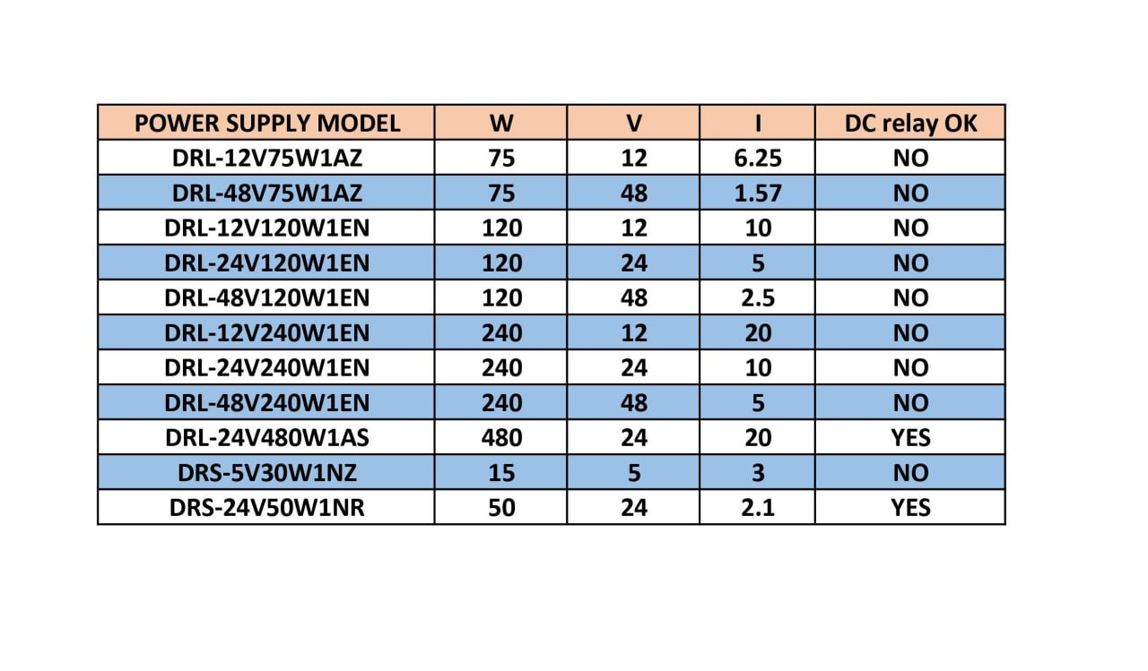
DRL- 12V75W1AZ | 819
DRL- 48V75W1AZ | 837
DRL-12V120W1EN | 945
DRL-24V120W1EN | 1,500
DRL-48V120W1EN | 1,170
DRL-12V240W1EN | 2,025
DRL-24V240W1EN | 1,740
DRL-48V240W1EN | 2,115
DRL-24V480W1AS | 3,644
DRS-5V30W1NZ | 810
DRS-24V50W1NR | 945
DRL-24V120W1AA | 1,248
DRL-24V240W1AA | 1,973
DRL-24V480W1AA | 3,663
DRU-24V40ABN | 1,892
PMT-24V100W2BA | 750
PMT-24V150W2BA | 1,200
PMT-24V50W2BA | 950
HMI
DOP-103BQ | 5,178
DOP-103SQ | 5,178
DOP-103DQ | 7,252
DOP-103WQ | 7,364
DOP-110IS | 14,985
DOP-107BV | 5,453
DOP-107CV | 7,224
DOP-107EG | 12,964
DOP-107EV | 7,997
DOP-107DV | 7,358
DOP-107WV | 9,703
DOP-110CS | 12,118
DOP-110WS | 16,895
DOP-B05S111 | 8,501
DOP-B07S401K | 10,376
DOP-H07S465 | 28,336
DOP-W105B | 36,128
DOP-W127B | 42,005
DOP-112MX | 42,004
DOP-112WX | 39,900
DOP-W157B | 51,206
DOP-115MX | 52,725
DOP-115WX | 51,205
TP02G-AS1 | 2,761
TP04G-AL2 | 3,156
TP04G-AL-C | 3,156
TP04G-AS2 | 3,458
TP04G-BL-C | 3,156
TP04P-32TP1R | 5,292
TP70P-21EX1R | 6,174
TP70P-22XA1R | 6,174
TP70P-32TP1R | 4,505
TP70P-RM0 | 4,939
DOPEXLNHJ1AE | 2,901
SENSOR
IS-E1204-BPOB2 | 495
IS-E1808-BPOB2 | 531
IS-N1208-BPOB2 | 495
IS-N1808-BPOB2 | 522
IS-N1208-BPCB2 | 495
IS-N1812-BPBB2 | 531
IS-N1808-BP0B2 | 531
IS-N1812-BPCB2 | 531
IS-N1812-BPOB2 | 531
PS-FL3-PDB2 | 916
PS-FR2-PDB2 | 861
PS-FT3-PDB2 | 1,044
PS-RL4-PS12 | 971
PS-RR3-PS12 | 824
PS-RS1-PS12 | 824
PS-RT9-PS12 | 1,246
PS-FB1-PDB2 | 953
PS-RR9-PS12 | 952
CNC
NC300A-MI-AE | تماس با شرکت
NC300A-MS-AE | تماس با شرکت
NC30EM | تماس با شرکت
NC-EIO-PMC06 | تماس با شرکت
NC-EIO-R2010 | تماس با شرکت
NC-EIO-T3232 | تماس با شرکت
NC-MPG-105HS-FL | تماس با شرکت
NC-PAN-300AM-FE | تماس با شرکت
NC-PAN-300AM-PE | تماس با شرکت
NC-TBM-T1616 | تماس با شرکت
DMV
DMV-CM4MCCL | تماس با شرکت
DMV2000-CL4-HS | تماس با شرکت
DMV1000-80GX | تماس با شرکت
DMV1000-KEY | تماس با شرکت
DMV-LN05M | تماس با شرکت
DMV-LN12M | تماس با شرکت
DMV-CAF03CL | تماس با شرکت
DMV-DRt,73,W | تماس با شرکت
DMV-DR,73,R | تماس با شرکت
DMV-PS12C2 | تماس با شرکت
DMV-PS12C1 | تماس با شرکت
CT
CTA4100A | 2,676
CTA4101D | 3,016
DP
DPA01NR-P | 3,190
DPA01N-P | 2,835
DPA01M-P | 2,835
DPA10N-P | 2,835
DPA10NR-P | 3,190
DPA-FMKIT | 375
DPA-PFKIT | 125
DPM-C520 | 9,173
DPM-C530A | 12,195

ASD-CNIE0B06 | 573
UC-PRG030-01B | 935
rc-01 | 1,912
weinek
CMT IM 21 | 29,500
CMT 2166X | 37,000
CMT FHDX-820 | 17,700
CMT SVR-200 | 11,450
CMT SVR-100 | 8,800
MT 8090 XE | 19,200
MT 8102 IE | 14,550
MT 8050 IE | 8,420
MT 8102 IP | 13,480
MT 8071 IP | 8,800
MT 8051 IP | 7,250
محصولات GREEN MIND
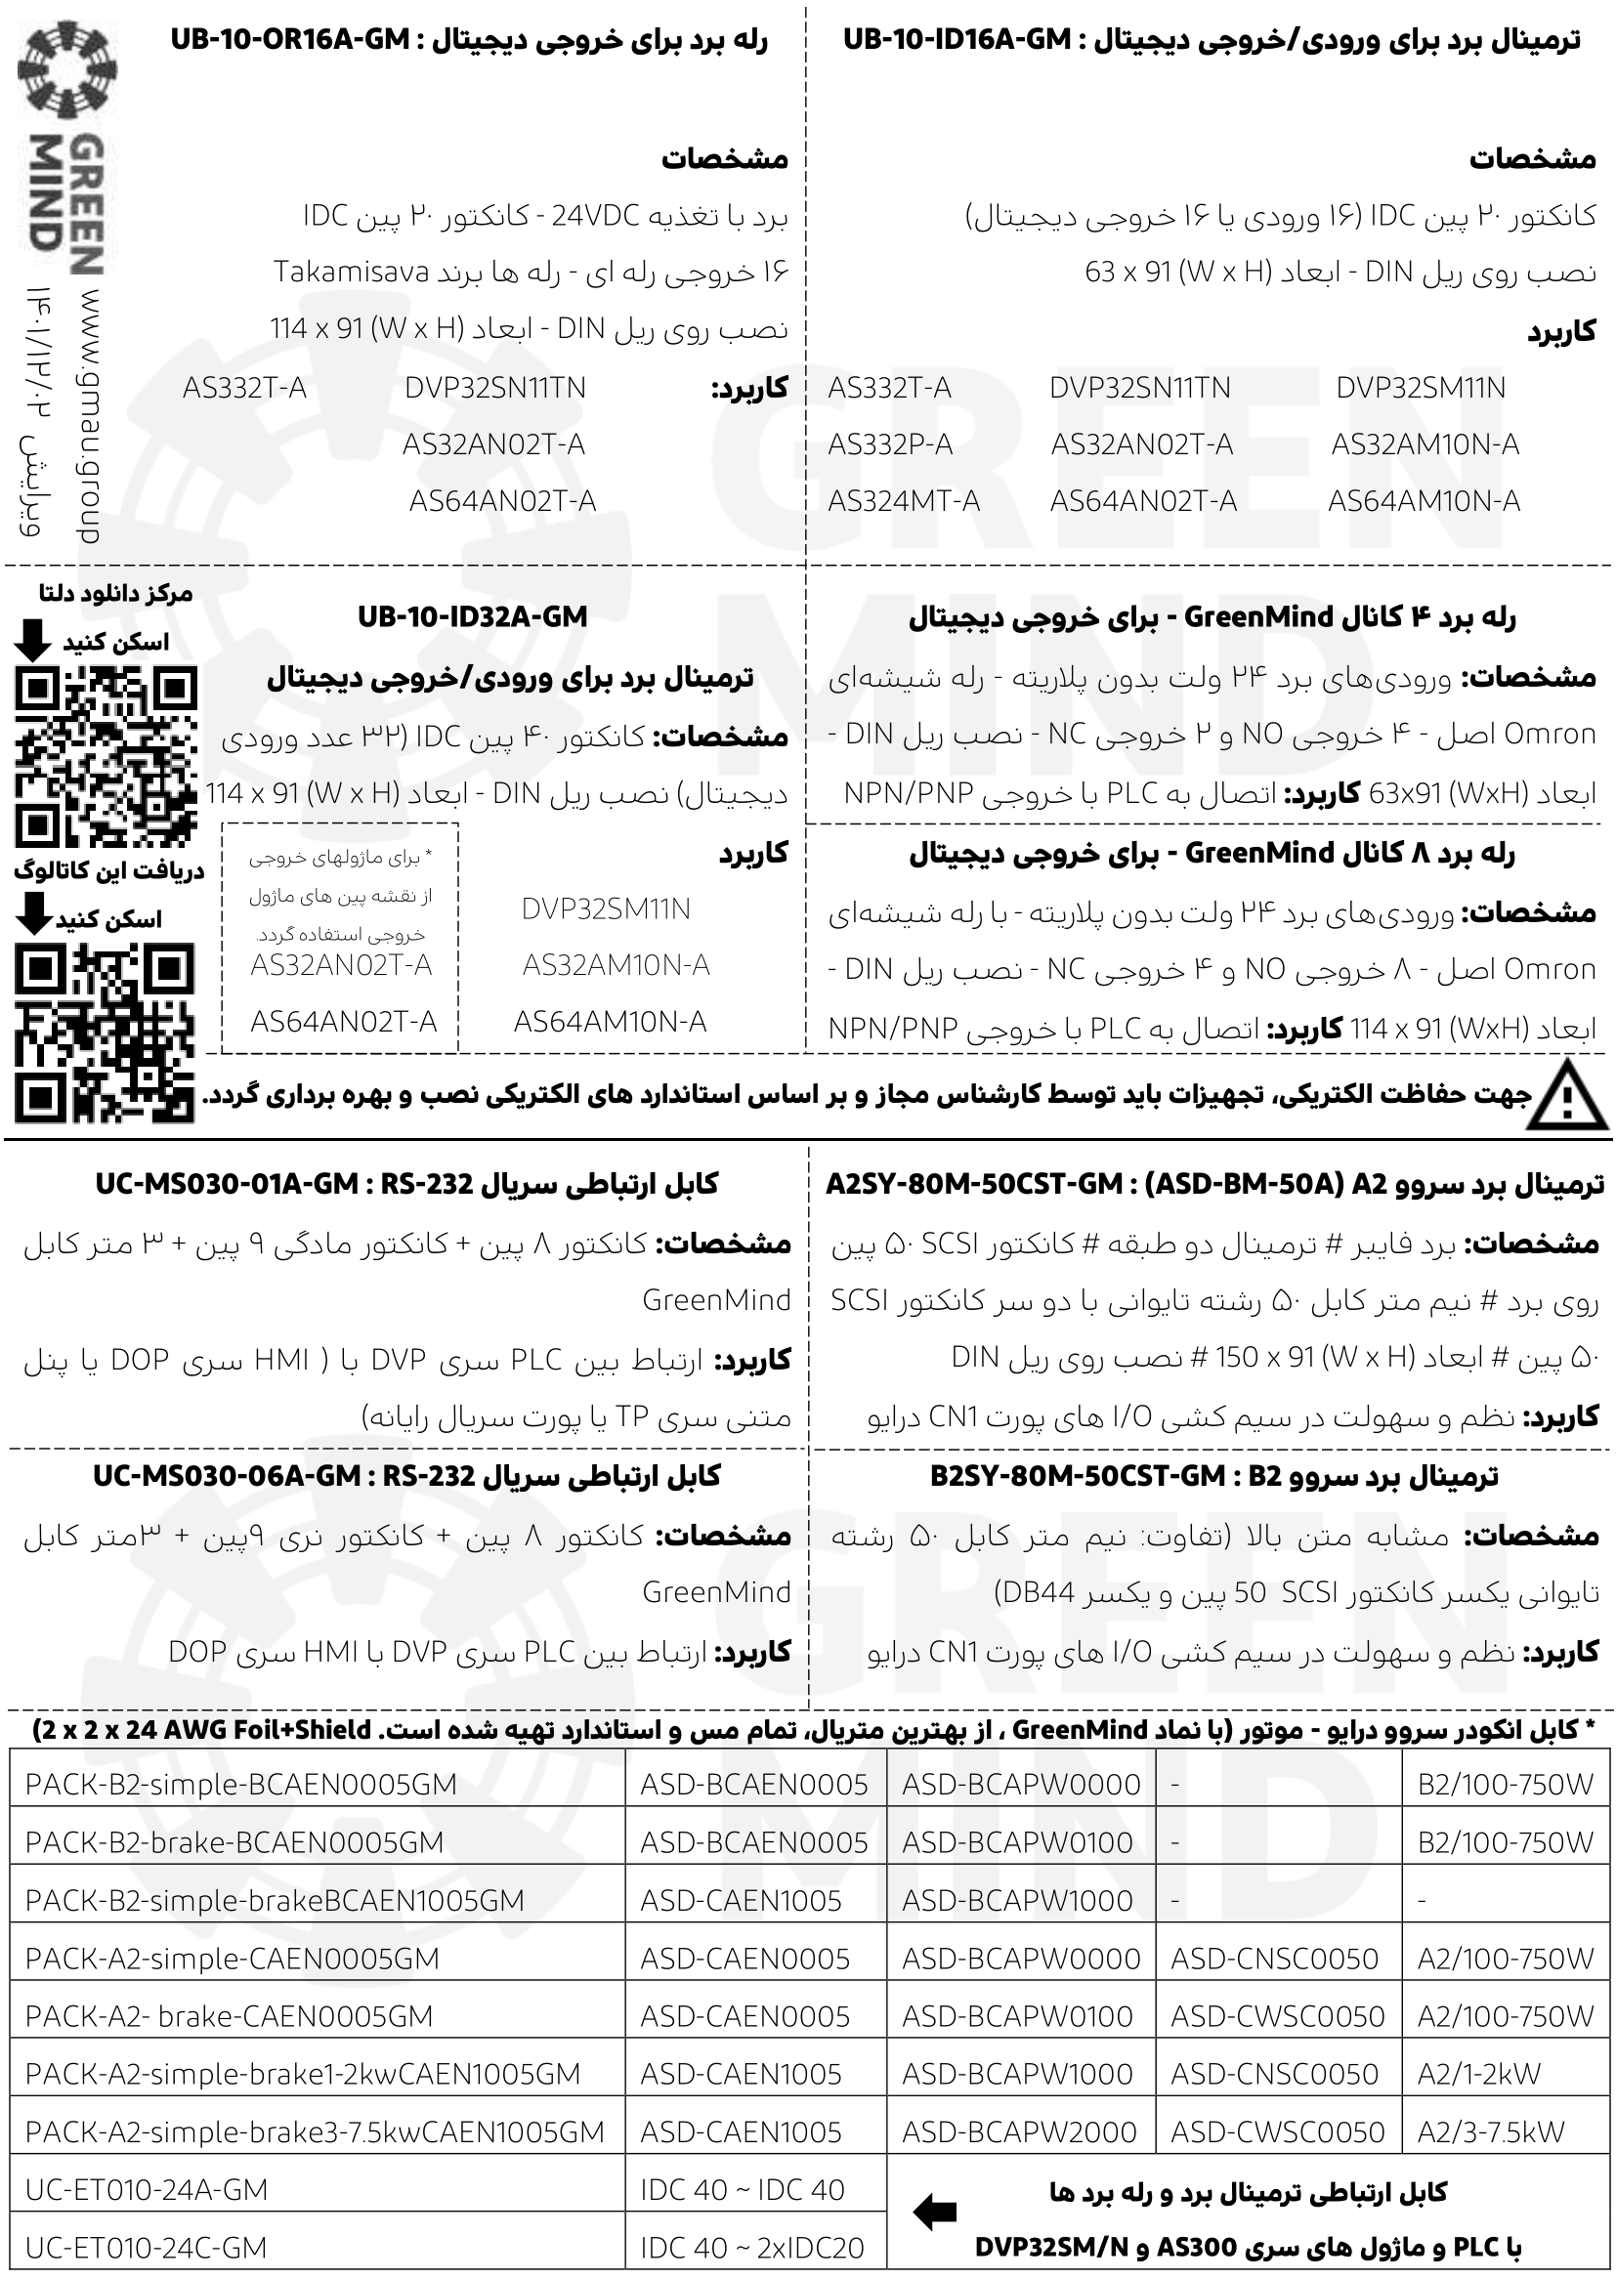
UB-10-OR16A-GM | 1,460
UB-10-ID16A-GM | 350
UB-10-ID32A-GM | 420
RELAY BOARD 4 CH | 600
RELAY BOARD 8 CH | 1,200
A2SY-80M-50CST-GM | 1,550
B2SY-80M-50CST-GM | 1,450
UC-MS030-01A-GM | 199
UC-MA030-06A-GM | 199
UC-ET010-24A-GM | 165
UC-ET010-24C-GM | 165
انکودر
ES3-0CCG6941 | 1,200
ES3-11CG6941 | 1,200
ES5-10LN8843 | 1,500
کتاب اموزشی
استفاده از HMI دلتا | 100
استفاده از سروو موتور B2 | 100
شبكه مدباس | 100
107 مثال كاربردی | 100
گیربکس(yyc تایوان)
CHM0202242-Q8 | 500
HCR-090-010-S1-P2 | 10,500
HER060-003-S1-P2 | 8,500
HER060-005-S1-P2 | 8,500
HER-090-003-S1-P2 | 10,500
HER090-007-S1-P2 | 10,500
HER090-010-S1-P2 | 10,500
HER090-025-S1-P2 | 16,500
ریل و واگن (کره ای )
SBI20-4000L | 0
SBI20FL-K1 | 0
SBI25-4000L | 0
SBI25FL-K1 | 0
SBI30-4000L | 0
SBI30FL-K1 | 0

